sigma_m
Means | # SET PARAMETERS FOR SIMULATION | Means | # SET PARAMETERS FOR SIMULATION | Means |  | # SET PARAMETERS FOR SIMULATION |  |  | Means | # SET PARAMETERS FOR SIMULATION | Means | # SET PARAMETERS FOR SIMULATION
beta 0.999990 | N = 10000 | beta 1.000103 | N = 10000 | beta 0.999921 |  | N = 10000 |  |  | beta 1.000013 | N = 10000 | beta 1.000135 | N = 10000
rho 0.368256 | alpha = 0 | rho 0.644709 | alpha = 0 | rho 0.864585 |  | alpha = 0 |  |  | rho 0.880271 | alpha = 0 | rho 0.884764 | alpha = 0
sigma_m 0.238186 | beta = 1 | sigma_m 0.435655 | beta = 1 | sigma_m 0.966383 |  | beta = 1 |  |  | sigma_m 1.445149 | beta = 1 | sigma_m 1.931296 | beta = 1
sigma_r 0.911085 | sigma_x = 0.0236 | sigma_r 0.994127 | sigma_x = 0.0236 | sigma_r 1.037368 |  | sigma_x = 0.0236 |  |  | sigma_r 1.093116 | sigma_x = 0.0236 | sigma_r 1.150832 | sigma_x = 0.0236
 | sigma_m = 0 |  | sigma_m = 0.5 |  |  | sigma_m = 1 |  |  |  | sigma_m = 1.5 |  | sigma_m = 2
sqr_error_beta 0.000039 | sigma_r = 1 | sqr_error_beta 0.000050 | sigma_r = 1 | sqr_error_beta 0.000083 |  | sigma_r = 1 |  |  | sqr_error_beta 0.000143 | sigma_r = 1 | sqr_error_beta 0.000201 | sigma_r = 1
sqr_error_rho 0.707781 | rho = 0.9 | sqr_error_rho 0.251497 | rho = 0.9 | sqr_error_rho 0.007416 |  | rho = 0.9 |  |  | sqr_error_rho 0.002516 | rho = 0.9 | sqr_error_rho 0.001292 | rho = 0.9
sqr_error_sigma_m 0.146779 |  | sqr_error_sigma_m 0.074034 |  | sqr_error_sigma_m 0.022890 |  |  |  |  | sqr_error_sigma_m 0.027454 |  | sqr_error_sigma_m 0.034263
sqr_error_sigma_r 0.033122 |  | sqr_error_sigma_r 0.018048 |  | sqr_error_sigma_r 0.018955 |  |  |  |  | sqr_error_sigma_r 0.045503 |  | sqr_error_sigma_r 0.089567

 |  |  |  |  | Beta |  |  | Rho
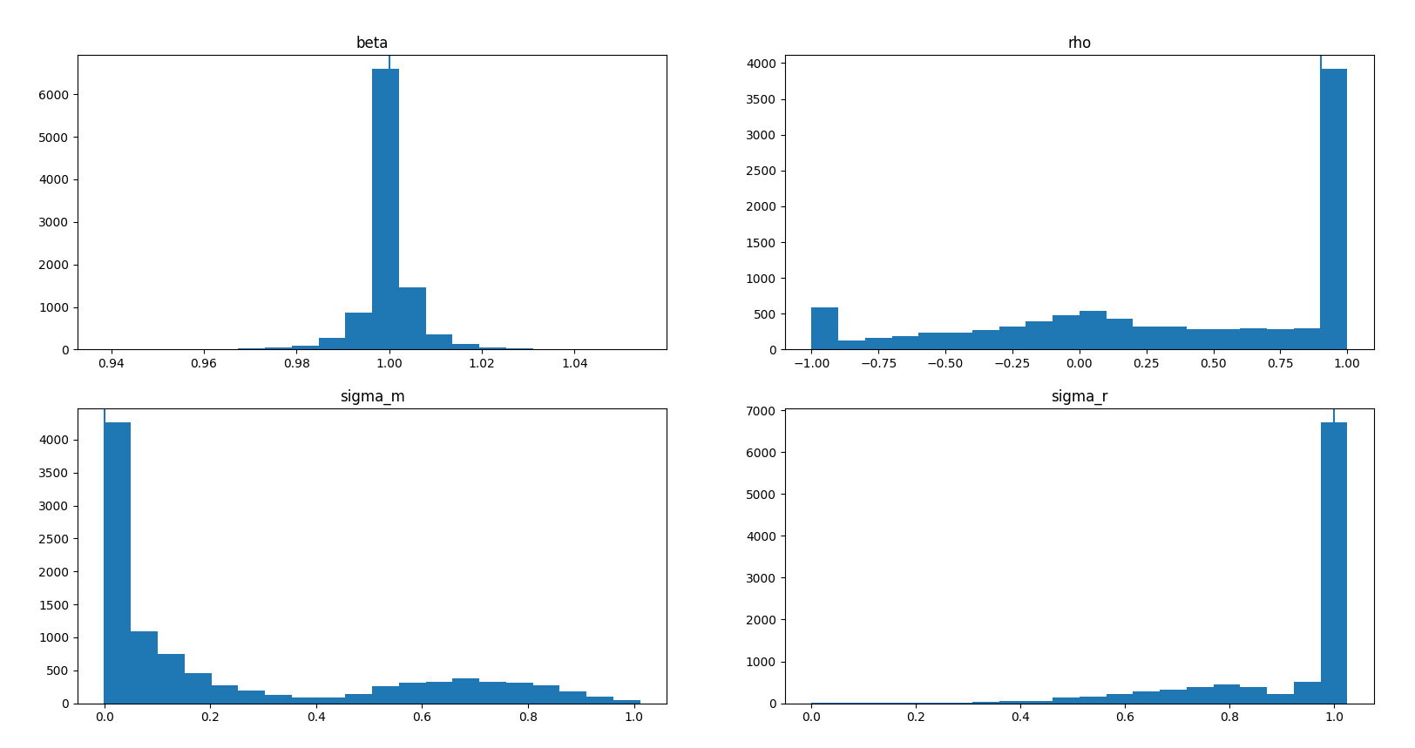
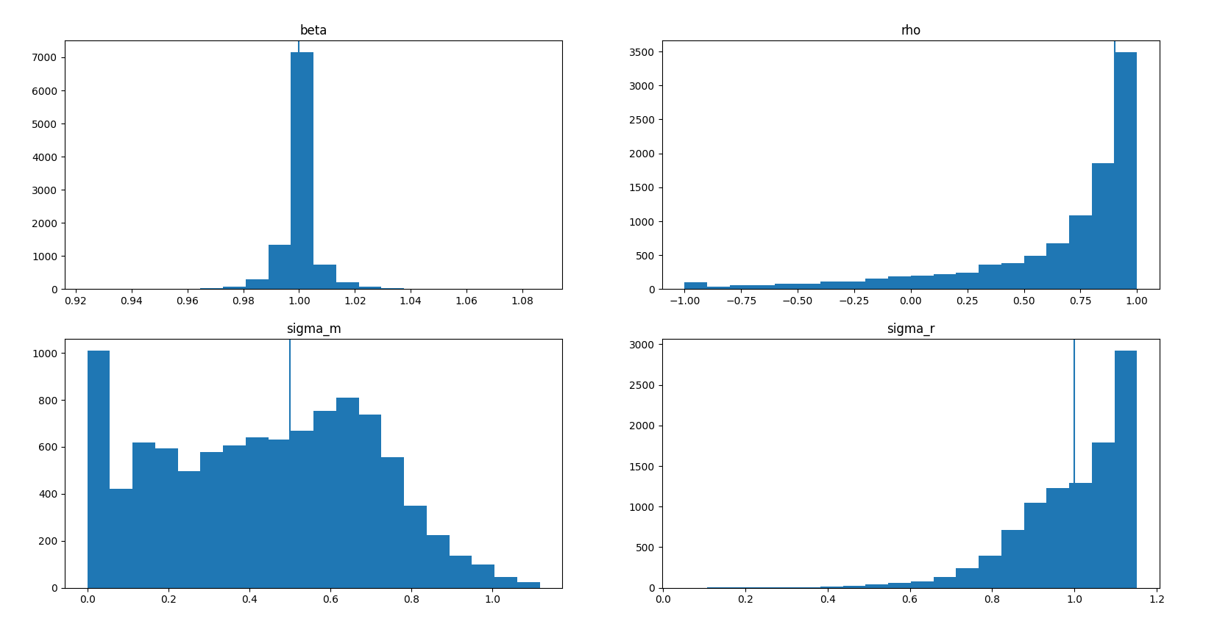
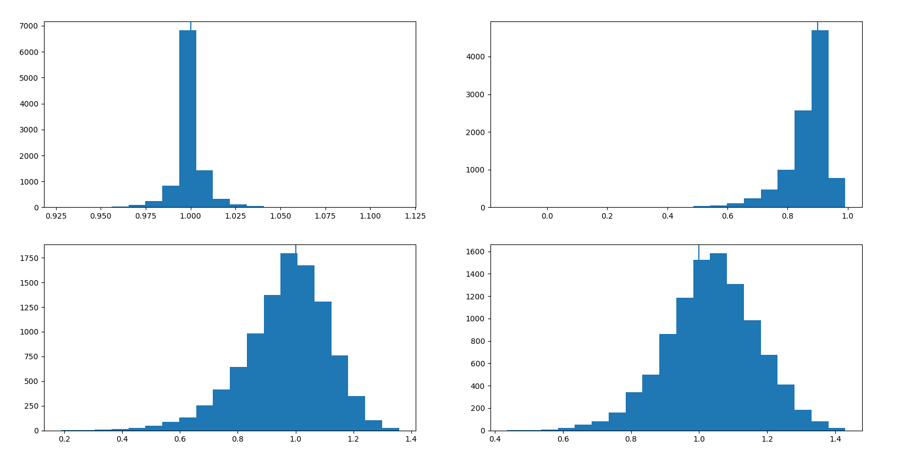
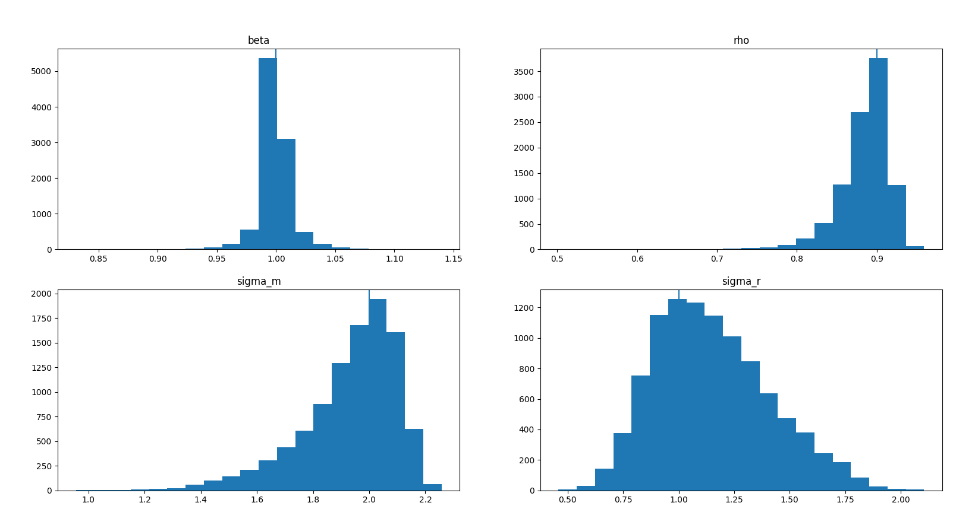
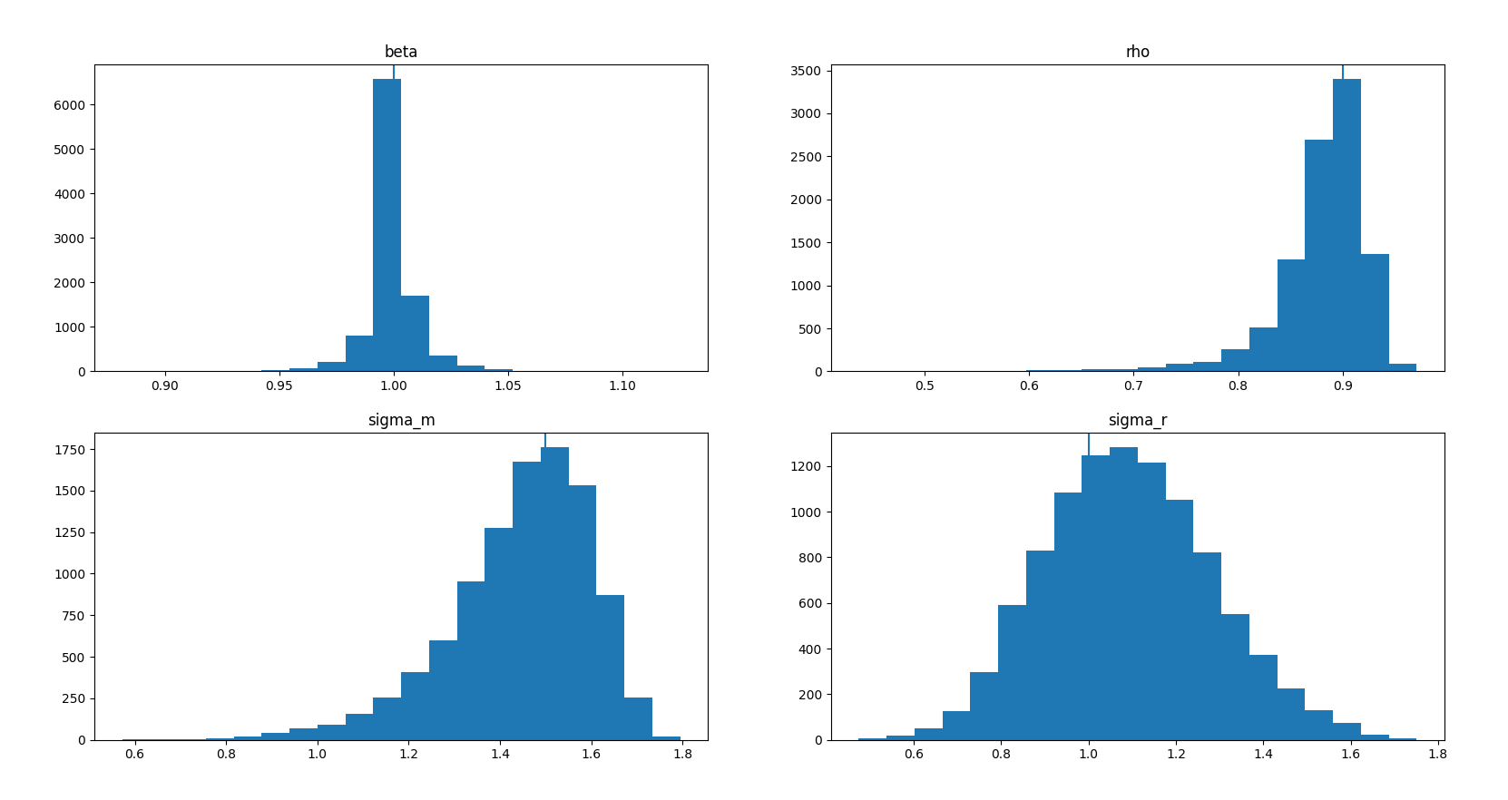

 |  |  |  |  | Sigma_m |  | sigma_r

rho
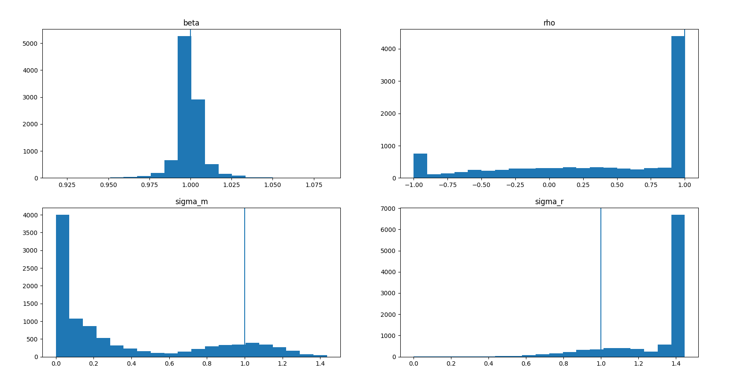
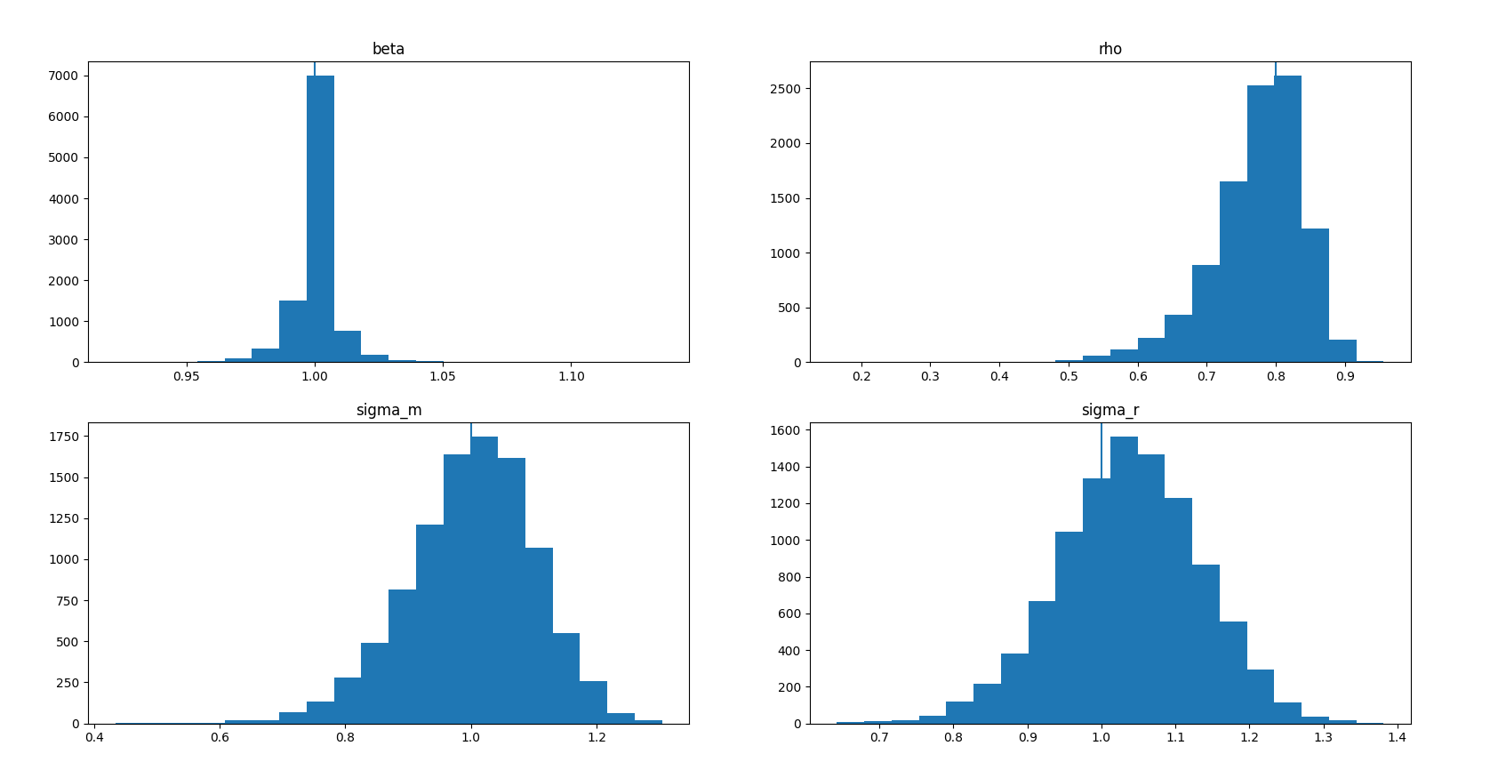
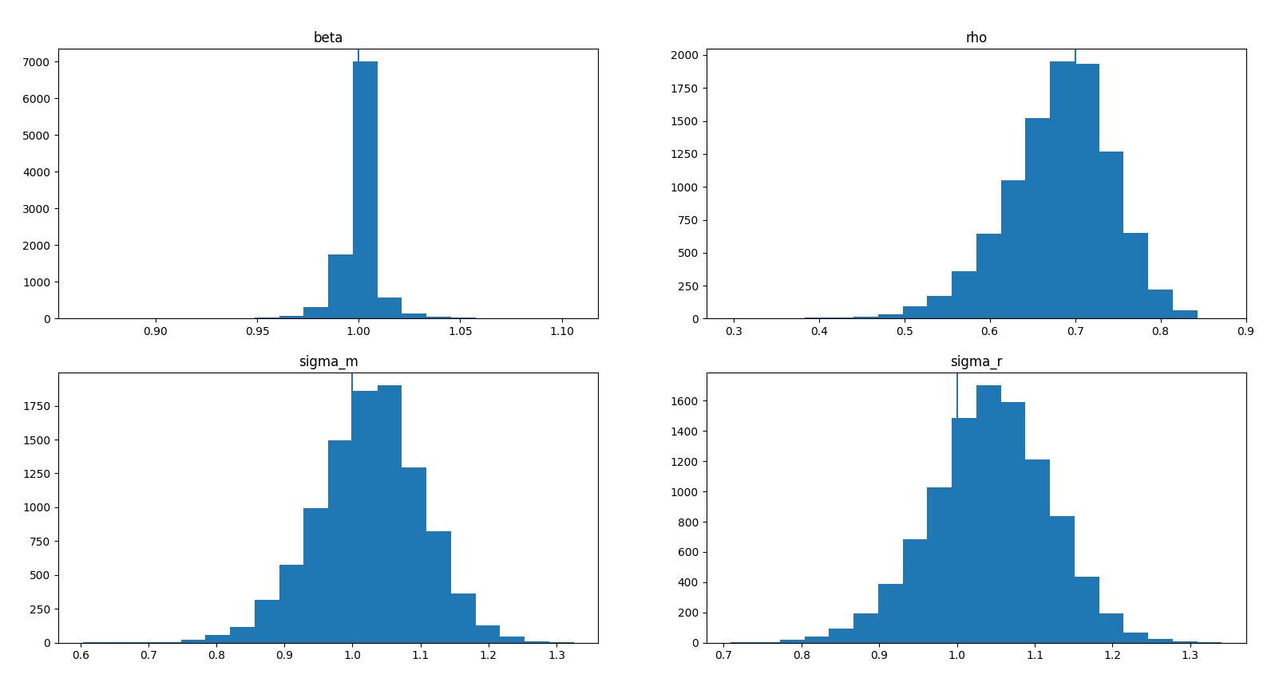
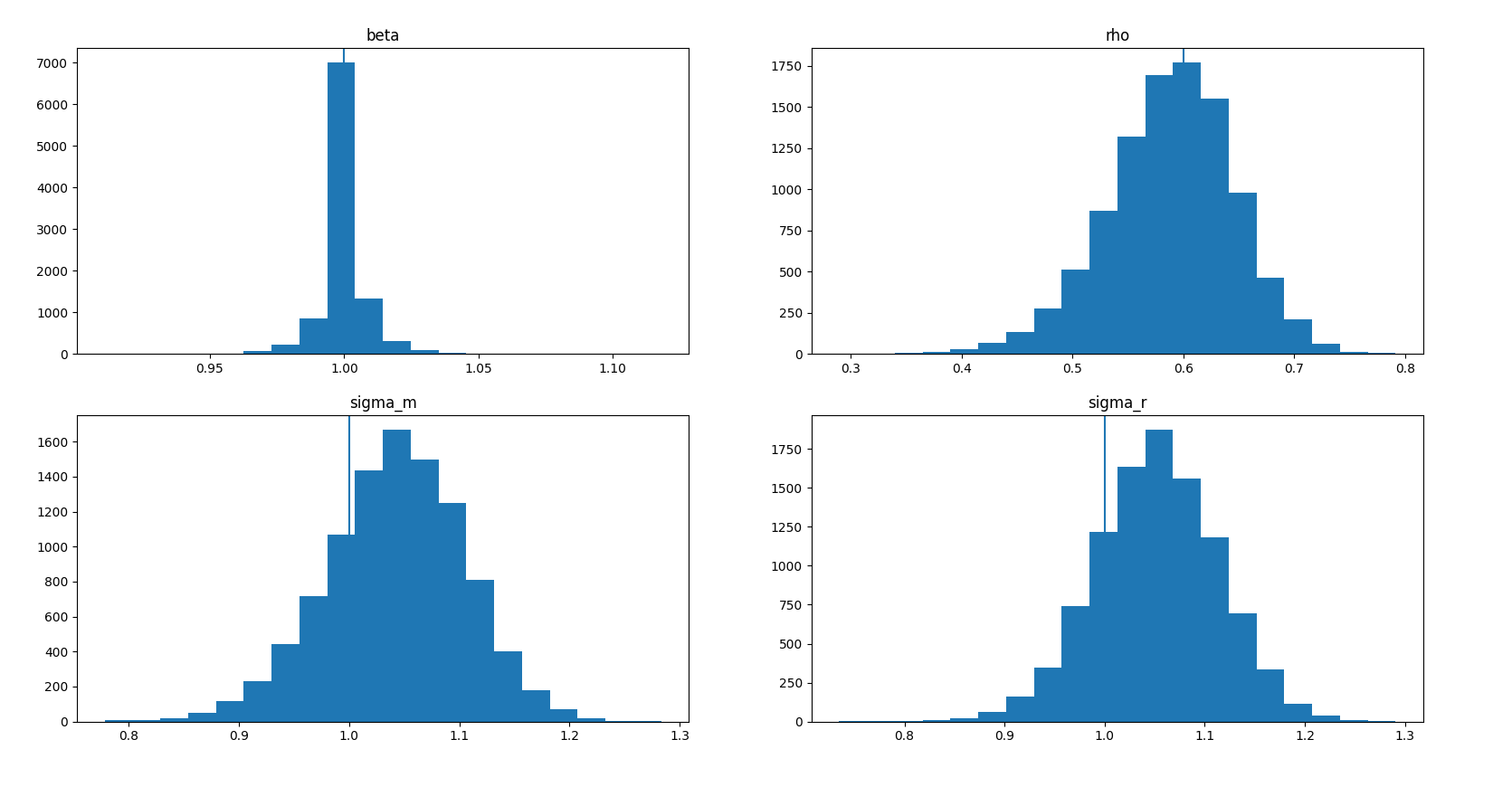
Means | # SET PARAMETERS FOR SIMULATION | Means | # SET PARAMETERS FOR SIMULATION | beta 0.999857 | # SET PARAMETERS FOR SIMULATION | beta 1.000208 | # SET PARAMETERS FOR SIMULATION
beta 0.999967 | N = 10000 | beta 0.999951 | N = 10000 | rho 0.681011 | N = 10000 | rho 0.588420 | N = 10000
rho 0.406378 | alpha = 0 | rho 0.772634 | alpha = 0 | sigma_m 1.024967 | alpha = 0 | sigma_m 1.042350 | alpha = 0
sigma_m 0.342142 | beta = 1 | sigma_m 1.000870 | beta = 1 | sigma_r 1.043089 | beta = 1 | sigma_r 1.052073 | beta = 1
sigma_r 1.289042 | sigma_x = 0.0236 | sigma_r 1.037558 | sigma_x = 0.0236 |  | sigma_x = 0.0236 |  | sigma_x = 0.0236
 | sigma_m = 1 |  | sigma_m = 1 | sqr_error_beta 0.000091 | sigma_m = 1 | sqr_error_beta 0.000086 | sigma_m = 1
sqr_error_beta 0.000080 | sigma_r = 1 | sqr_error_beta 0.000078 | sigma_r = 1 | sqr_error_rho 0.004231 | sigma_r = 1 | sqr_error_rho 0.003515 | sigma_r = 1
sqr_error_rho 0.809150 | rho = 1 | sqr_error_rho 0.005369 | rho = 0.8 | sqr_error_sigma_m 0.006739 | rho = 0.7 | sqr_error_sigma_m 0.005762 | rho = 0.6
sqr_error_sigma_m 0.608449 |  | sqr_error_sigma_m 0.010378 |  | sqr_error_sigma_r 0.007723 |  | sqr_error_sigma_r 0.006511
sqr_error_sigma_r 0.132031 |  | sqr_error_sigma_r 0.010847

